Sheet1
 |  | sources/app/races/race.ts |  | this is the data model
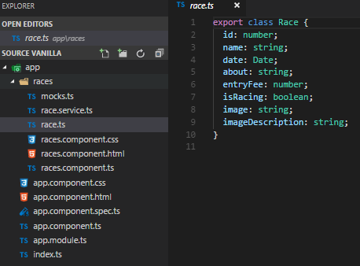
 |  |  |  |  |  | exported class Race gets imported in races.components.ts, race.service.ts and mock.ts

 |  |  |  |  |  | type declaration …
 |  |  |  |  |  | type declaration …
 |  |  |  |  |  | type declaration …
 |  |  |  |  |  | type declaration …
 |  |  |  |  |  | ….

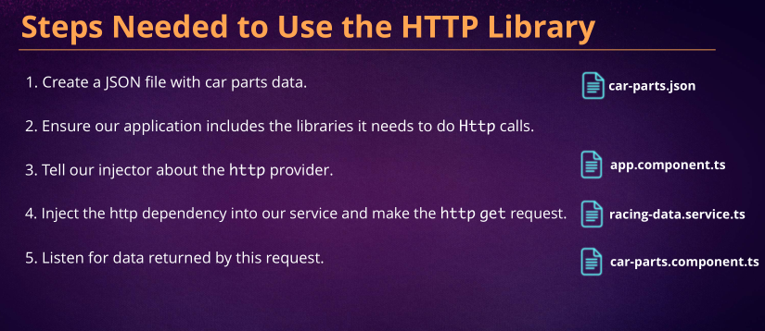
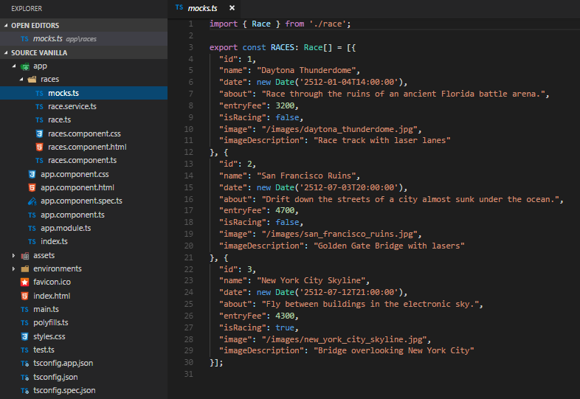
 |  | source/app/races/mocks.ts |  | this is the data, right now we're not really using it because we're using json |  |  |  |  |  |  |  |  |  | Steps needed to use the HTTP library
 |  |  |  |  |  |  |  |  |  |  |  |  |  | 1) instead of getting data from a mocks file we can get it from the internet

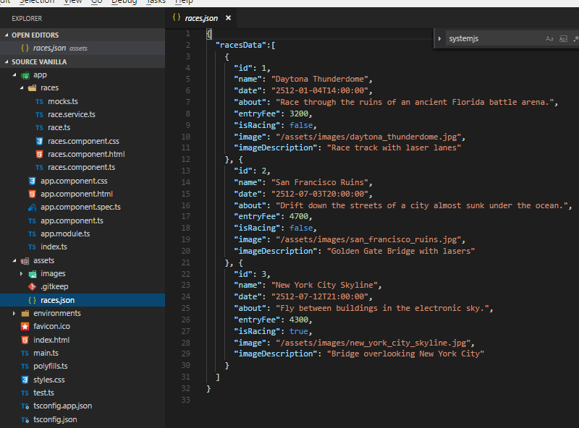
 |  |  |  |  |  |  |  |  |  |  |  |  |  | source/assets/races.json
 |  |  |  |  |  |  |  | RACES : Race[] | tells typescript to treat RACES like an array of datatype Race

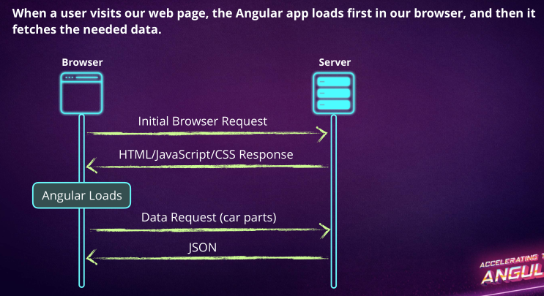

 |  | source/app/races/race.service.ts
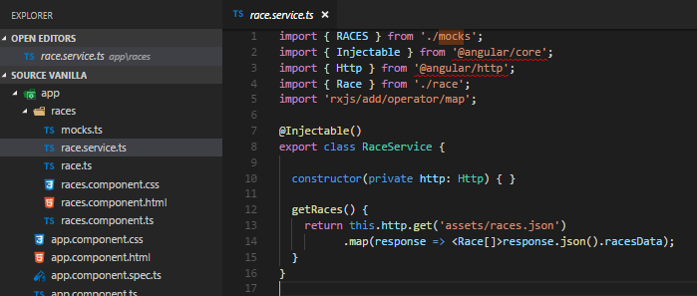

 |  |  |  |  |  |  |  | 2) include libraries needed for http calls
 |  |  |  |  |  |  |  | Http library provides the Get call we will use to call across the internet
 |  |  |  |  |  |  |  | import Race so we can use the datatype
 |  |  |  |  |  |  |  | RxJs : Reactive Etensions : provides advance tooling for http calss

 |  |  |  |  |  |  |  | 1) Injectable decorator marks RaceService as an injectable service |  |  |  | Dependency injection : used to create and send services to classes that need them.

 |  |  |  |  |  |  |  | 4) Injecting HTTP as a dependency, we can do this because our RaceService class is injectable

 |  |  |  |  |  |  |  | 2) get the json file
 |  |  |  |  |  |  |  | here we tell that it's an array of Race datatype

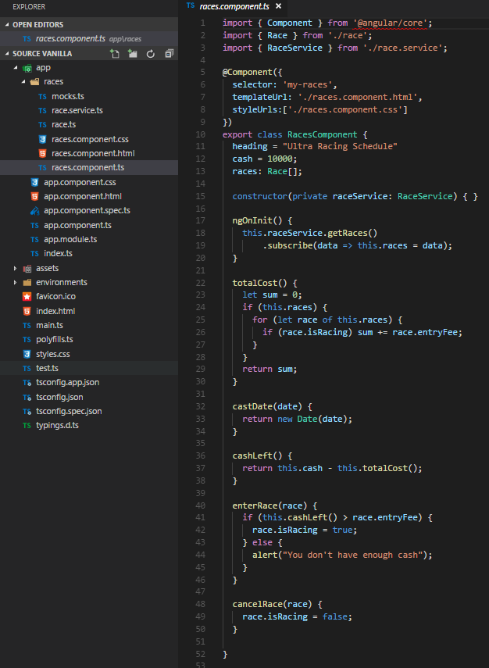
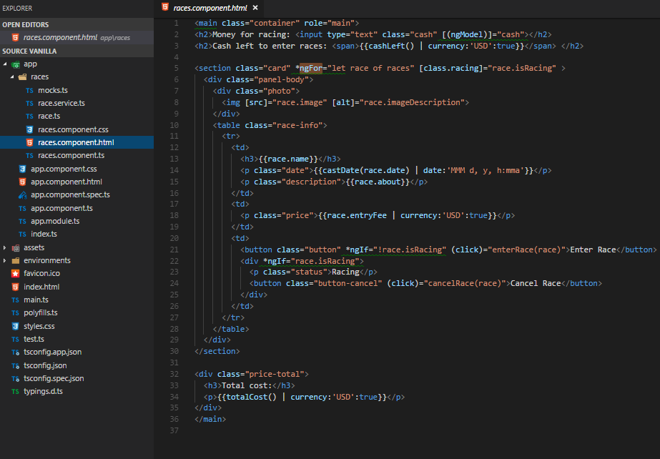
 |  | source/app/races/races.components.ts |  |  | this component contains the races
 |  |  |  |  |  |  |  |  |  |  | source/app/races/races.component.html
 |  |  |  |  |  |  | import the Component function from Angular library (@angular/core) |  |  |  |  |  |  |  |  |  |  |  |  |  |  |  |  | source/app/races/races.component.css
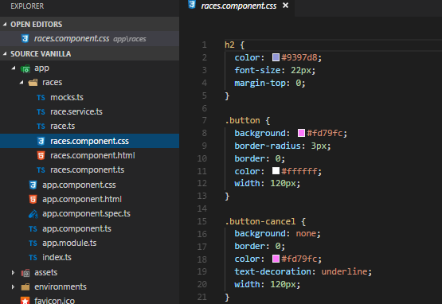
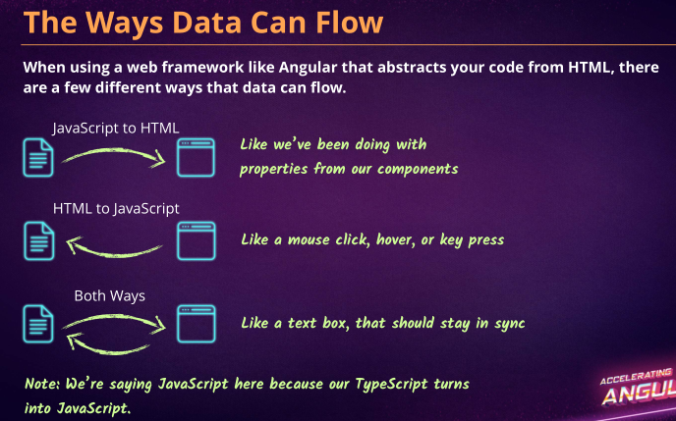
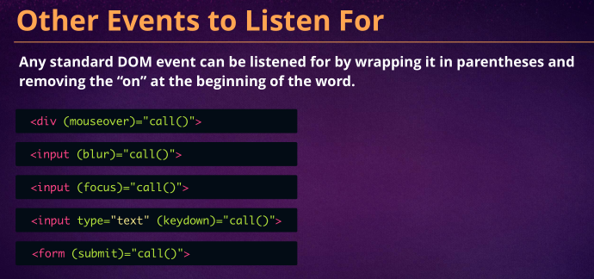
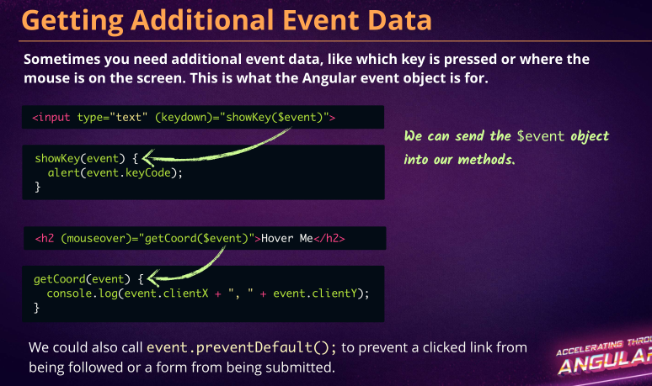
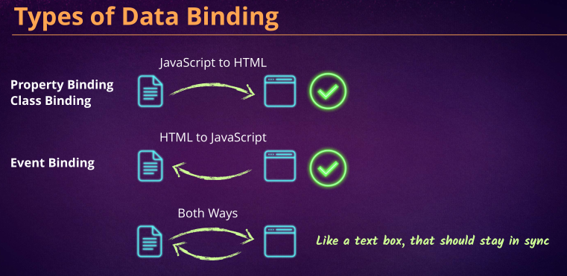
 |  |  |  |  |  |  | 3) this dependency is needed to inject RaceService as a service |  |  |  |  |  |  |  |  | [(ngModel)] allows us to have 2-way binding : 2-way binding means that if the component property is modified in the component (Javascript) or the web page (HTML) it will…
 |  |  |  |  |  |  |  |  |  |  |  |  |  |  |  | | currency:'USD':true | a pipe is used for filtering data |  |  |  |  |  | ...stay in sync

 |  |  |  |  |  |  | selector: selector in app.components.ts |  |  |  |  |  |  |  |  | ngFor : is a structural directive that loops through an array |  | lo | Class Binding binds the DOM element to a CSS class, this is how we have scoped css !!
 |  |  |  |  |  |  | templateUrl: include the html |  |  |  |  |  |  |  |  | once we declare " let race of races" we have access to the races array…
 |  |  |  |  |  |  | styleUrls : include the css |  |  |  |  |  |  |  |  | ...and we can {interpolate} anything in that array to use in the DOM
 |  |  |  |  |  |  |  |  |  |  |  |  |  |  |  | [src] [alt] Property Binding : component property -> DOM element |  |  |  | a directive is how we add dynamic behavior to HTML
 |  |  |  |  |  |  |  |  |  |  |  |  |  |  |  |  |  |  | controls the screen: | a component is the main building block of Angular (decorator + class)
 |  |  |  |  |  |  |  |  |  |  |  |  |  |  |  |  |  |  |  |  | a decorator adds more behavior to the class from outside the class
 |  |  |  |  |  |  | 5) RaceService gets the Race[] array from races.json, it gets assigned to races property of RacesComponent |  |  |  |  |  |  |  |  |  |  |  | ngFor, ngIF etc.. : | a structural directive alters the layout by adding, removing or replacing html elements
 |  |  |  |  |  |  | and then it gets used in the DOM
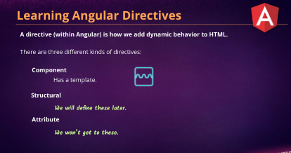
 |  |  |  |  |  |  |  |  |  |  |  |  |  |  |  | | date:'MMM d, y, h:mma' | a pipe is used for filtering data
 |  |  |  |  |  |  | 3) we ask for dependencies by specifying them in our class constructor
 |  |  |  |  |  |  | ngOnInit() is invoked after the component is constructed , this is the best place to initialize properties and methods
 |  |  |  |  |  |  | 5) Subscribe to the stream
 |  |  |  |  |  |  | since the http service returns an observable object, we subscribe to that data stream |  |  |  |  |  |  |  |  | | currency:'USD':true | a pipe is used for filtering data
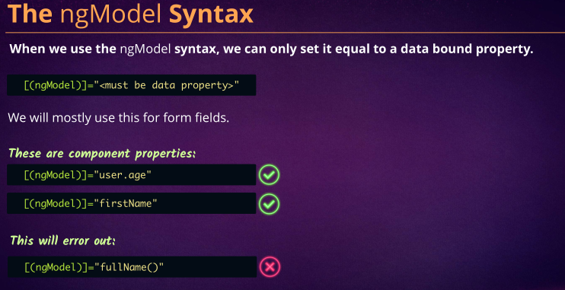
 |  |  |  |  |  |  | and tell our component what to do when data arrives
 |  |  |  |  |  |  | when data arrives to the datastream, set it to local races array
 |  |  |  |  |  |  | creating methods in a component…. |  |  |  |  |  |  |  |  | (click) Event Binding : component property <- DOM element
 |  |  |  |  |  |  |  |  |  |  |  |  |  |  |  | ngIf: is a structural directive that allows us to evaluate conditionals

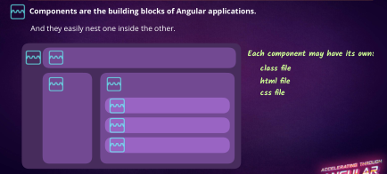

 |  |  |  |  |  |  |  |  |  |  |  |  |  |  |  |  |  | https://angular.io/guide/pipes
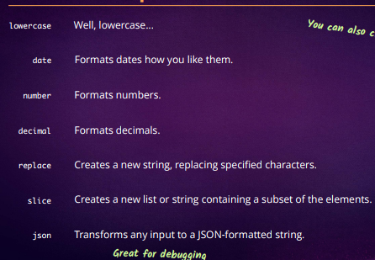

 |  |  |  |  |  |  |  |  |  |  |  |  |  |  |  | interpolating a function and then piping

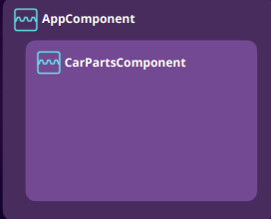
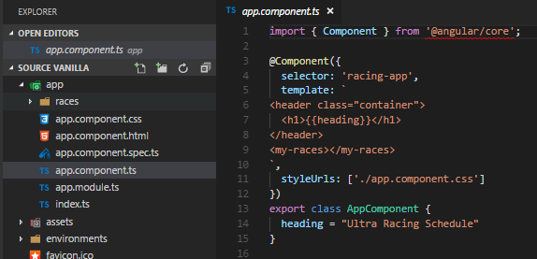
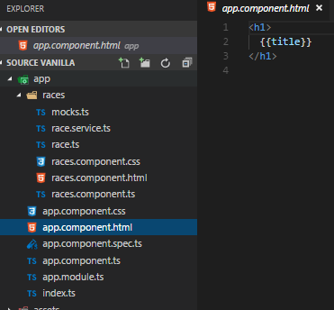
 | source/app/app.component.ts |  | this component contains our page header |  |  |  |  |  |  |  |  |  |  |  | source/app/appcomponent.html
 |  |  |  |  |  |  |  |  |  |  |  |  |  |  |  |  |  |  |  |  |  | source/app/appcomponent.css
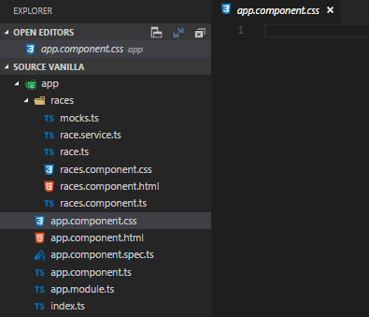
 |  |  |  |  |  | import the Component function from Angular library (@angular/core) |  |  |  | import is a ES2015 feature used to import functions, objects or primitives
 |  |  |  |  |  |  |  |  |  | we use the Component function to create components
 |  |  |  |  |  | @Component is a decorator (function)
 |  |  |  |  |  | selector: CSS selector for the html element where our Angular app will load within the DOM, could be named anything
 |  |  |  |  |  | template: the content we want to load inside our selector

 |  |  |  |  |  | interpolation: curly braces allow us to load component properties

 |  |  |  |  |  | this is the selector from races.components.ts

 |  |  |  |  |  | styleUrls : the css to use

 |  |  |  |  |  | exported class can get imported in app.module.ts

 | source/app/app.module.ts |  | this is where we import our first component (AppComponent) and bootstrap it
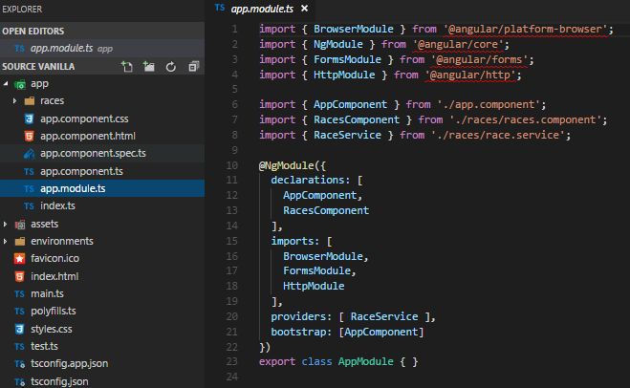

 |  |  |  |  |  | BrowserModule: module needed for running Angular webites
 |  |  |  |  |  | NgModule: root module, every Angular application must have one
 |  |  |  |  |  | FormsModule allows 2-way binding allos us to use [(ngModel)] which makes form-specific functionality available
 |  |  |  |  |  | 3) tell our injejctor it can inject Http module

 |  |  |  |  |  | importing classes AppComponent, RacesComponent, Race service all of which were exported, so that they could be imported here

 |  |  |  |  |  | declarations: list of components we are using in this module
 |  |  |  |  |  | both these are being imported right above

 |  |  |  |  |  | imports: components being imported from @angular
 |  |  |  |  |  | BrowserModule: module needed for running Angular webites
 |  |  |  |  |  | FormsModule allows 2-way binding allos us to use [(ngModel)] which makes form-specific functionality available
 |  |  |  |  |  | 3) telling our injejctor it can inject Http module

 |  |  |  |  |  | 2) let Injector know about RaceService by naming RaceService as a provider |  |  |  | we give our dependency injector providers so that it knows what classes it can create and send
 |  |  |  |  |  | bootstrap AppComponent

 |  |  |  |  |  | exported AppModule class can get imported at main.ts

source/main.ts
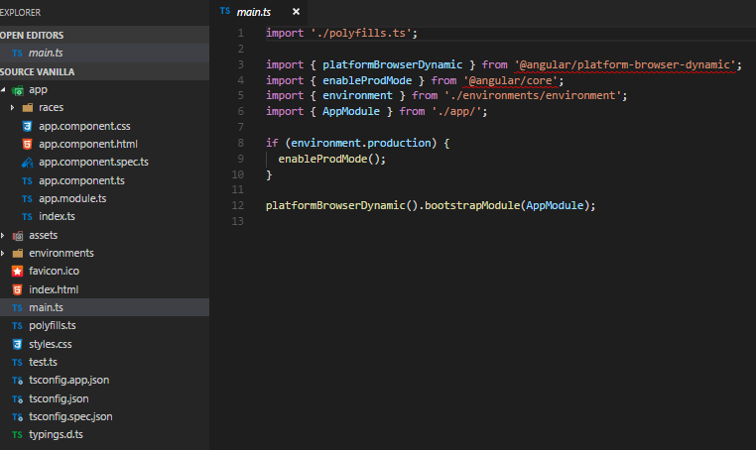
 |  |  |  |  |  |  |  |  |  |  |  |  | source/index.html |  |  |  |  |  |  |  |  | source/style.css
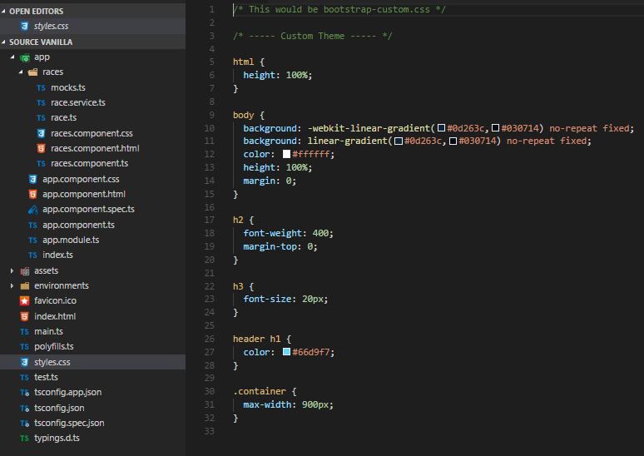

 |  |  |  |  |  | platformBrowserDynamic: Angular library that renders the website, uses bootstrap
 |  |  |  |  |  | enabling production mode , import the functions enableProdMode and environment

 |  |  |  |  |  | importing AppModule class from above

 |  |  |  |  |  | if it is production environment, run the function enableProdMode

 |  |  |  |  |  | render application using AppModule

 |  |  |  |  |  |  |  |  |  |  |  |  |  |  |  |  |  |  | THIS IS WHERE OUR ANGULAR APP WILL LOAD

